3-6 Film
FILM DESCRIPTIVE ANALYSIS
table_name | MIN Length | MAX Length | AVG Length | MIN Rental Duration | MAX Rental Duration | AVG Rental Duration | MIN Rental Rate | MAX Rental Rate | AVG Rental Rate | MIN Replacement Cost | MAX Replacement Cost | AVG Replacement Cost | MODE Rating
Film | 46 | 185 | 115 | 3 | 7 | 5 | 0.99 | 4.99 | 2.98 | 9.99 | 29.99 | 19.98 | PG-13

Numeric Columns: Text Columns:
length rating
rental_duration
rental_rate
replacement_cost
Not included:
language_id - there is only 1 value (1-English) for the entire database release_year - there is only 1 value (2006) for the entire database
The min, max & avg will be the same values
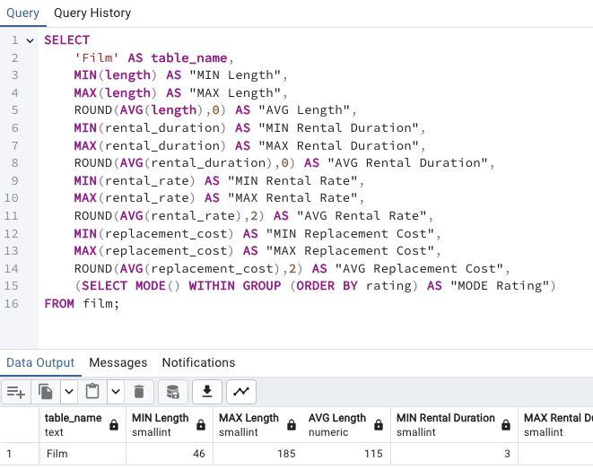
SELECT
'Film' AS table_name,
MIN(length) AS "MIN Length",
MAX(length) AS "MAX Length",
ROUND(AVG(length),0) AS "AVG Length",
MIN(rental_duration) AS "MIN Rental Duration",
MAX(rental_duration) AS "MAX Rental Duration",
ROUND(AVG(rental_duration),0) AS "AVG Rental Duration",
MIN(rental_rate) AS "MIN Rental Rate",
MAX(rental_rate) AS "MAX Rental Rate",
ROUND(AVG(rental_rate),2) AS "AVG Rental Rate",
MIN(replacement_cost) AS "MIN Replacement Cost",
MAX(replacement_cost) AS "MAX Replacement Cost",
ROUND(AVG(replacement_cost),2) AS "AVG Replacement Cost",
SELECT MODE() WITHIN GROUP (ORDER BY rating) AS "MODE Rating")
FROM film;

3-6 Cust
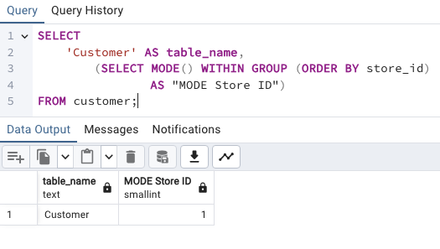
SELECT
'Customer' AS table_name,
(SELECT MODE() WITHIN GROUP (ORDER BY store_id)
AS "MODE Store ID")
FROM customer;
CUSTOMER DESCRIPTIVE ANALYSIS
table_name | MODE Store ID
Customer | 1

Numeric Columns: Text Columns:
None store_id
Not included:
first_name - not useful, significant, or relevant to Mode or Analysis
last_name - not useful, significant, or relevant to Mode or Analysis
email - not useful, significant, or relevant to Mode or Analysis
last_name & email are unique so Mode is irrelevant.
first_name has multiple values with the same count so Mode is not significant since output of one is of no use

3-7 Country
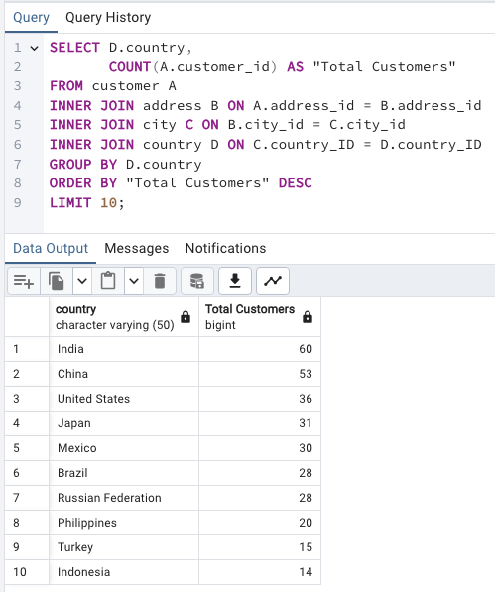
SELECT D.country,
COUNT(A.customer_id) AS "Total Customers"
FROM customer A
INNER JOIN address B ON A.address_id = B.address_id
INNER JOIN city C ON B.city_id = C.city_id
INNER JOIN country D ON C.country_id = D.country_id
GROUP BY D.country
ORDER BY "Total Customers" DESC
LIMIT 10;
TOP 10 Countries with the most Customers
country | Total Customers
India | 60
China | 53
United States | 36
Japan | 31
Mexico | 30
Brazil | 28
Russian Federation | 28
Philippines | 20
Turkey | 15
Indonesia | 14

3-7 City
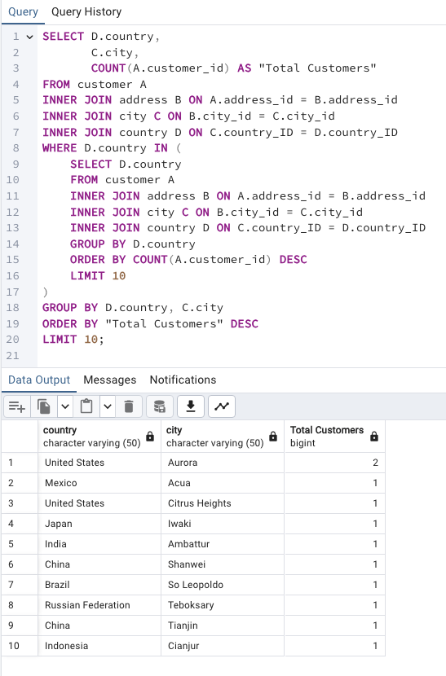
SELECT D.country,
C.city,
COUNT(A.customer_id) AS "Total Customers"
FROM customer A
INNER JOIN address B ON A.address_id = B.address_id
INNER JOIN city C ON B.city_id = C.city_id
INNER JOIN country D ON C.country_ID = D.country_ID
WHERE D.country IN (
SELECT D.country
FROM customer A
INNER JOIN address B ON A.address_id = B.address_id
INNER JOIN city C ON B.city_id = C.city_id
INNER JOIN country D ON C.country_ID = D.country_ID
GROUP BY D.country
ORDER BY COUNT(A.customer_id) DESC
LIMIT 10
)
GROUP BY D.country, C.city
ORDER BY "Total Customers" DESC
LIMIT 10;
TOP 10 Cities from the TOP 10 Countries with the most Customers
country | city | Total Customers
United States | Aurora | 2
Mexico | Acua | 1
United States | Citrus Heights | 1
Japan | Iwaki | 1
India | Ambattur | 1
China | Shanwei | 1
Brazil | So Leopoldo | 1
Russian Federation | Teboksary | 1
China | Tianjin | 1
Indonesia | Cianjur | 1

3-7 Cust
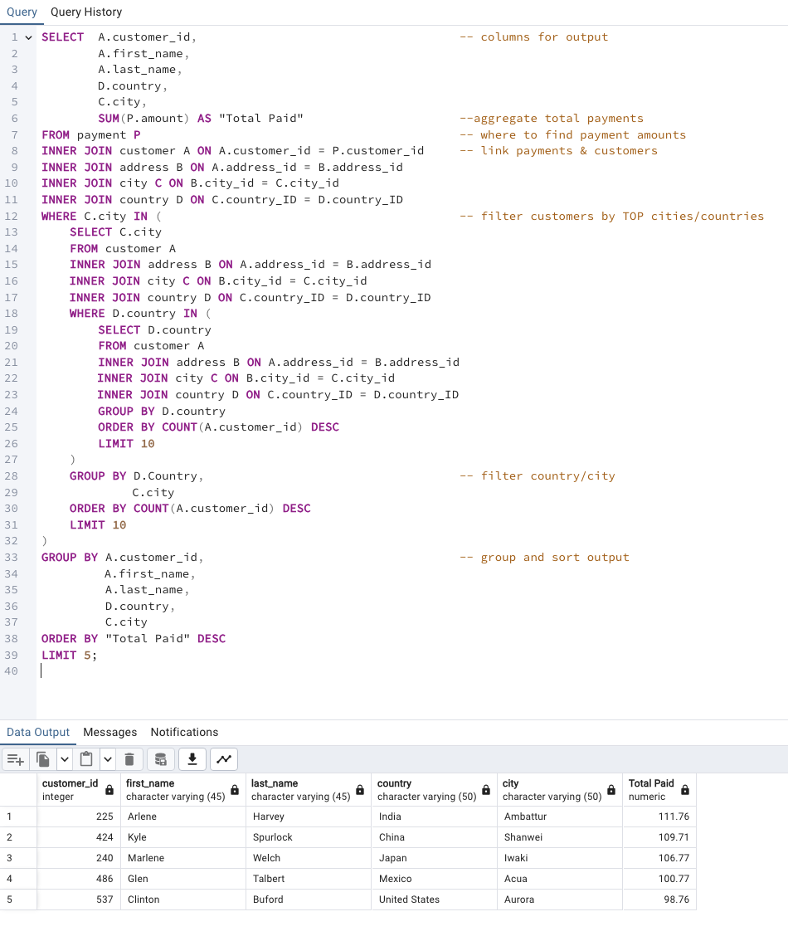
SELECT
A.customer_id,
A.first_name,
A.last_name,
D.country,
C.city,
SUM(P.amount) AS "Total Paid"
FROM payment P
INNER JOIN customer A ON A.customer_id = P.customer_id
INNER JOIN address B ON A.address_id = B.address_id
INNER JOIN city C ON B.city_id = C.city_id
INNER JOIN country D ON C.country_id = D.country_id
WHERE C.city IN (
SELECT C.city
FROM customer A
INNER JOIN address B ON A.address_id = B.address_id
INNER JOIN city C ON B.city_id = C.city_id
INNER JOIN country D ON C.country_id = D.country_id
WHERE D.country IN (
SELECT D.country
FROM customer A
INNER JOIN address B ON A.address_id = B.address_id
INNER JOIN city C ON B.city_id = C.city_id
INNER JOIN country D ON C.country_id = D.country_id
GROUP BY D.country
ORDER BY COUNT(A.customer_id) DESC
LIMIT 10
)
GROUP BY
D.country,
C.city
ORDER BY COUNT(A.customer_id) DESC
LIMIT 10
)
GROUP BY
A.customer_id,
A.first_name,
A.last_name,
D.country,
C.city
ORDER BY "Total Paid" DESC
LIMIT 5;
TOP 5 paying Customers from the TOP 10 Cities from the TOP 10 Countries with the most Customers
customer_id | first_name | last_name | country | city | Total Paid
225 | Arlene | Harvey | India | Ambattur | 111.76
424 | Kyle | Spurlock | China | Shanwei | 109.71
240 | Marlene | Welch | Japan | Iwaki | 106.77
486 | Glen | Talbert | Mexico | Acua | 100.77
537 | Clinton | Buford | United States | Aurora | 98.76

Top 10 Movies Most Revenue
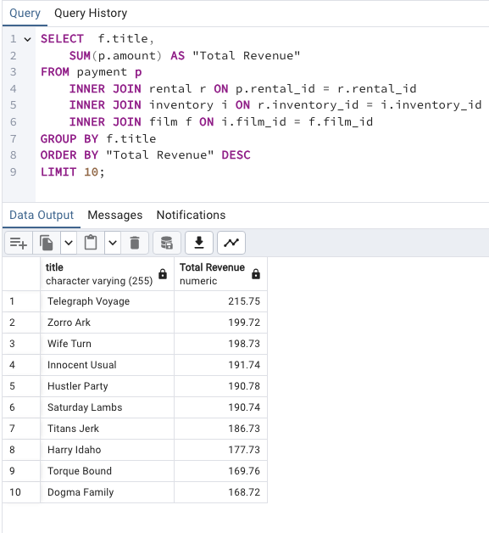
SELECT f.title,
SUM(p.amount) AS "Total Revenue"
FROM payment p
INNER JOIN rental r ON p.rental_id = r.rental_id
INNER JOIN inventory i ON r.inventory_id = i.inventory_id
INNER JOIN film f ON i.film_id = f.film_id
GROUP BY f.title
ORDER BY "Total Revenue" DESC
LIMIT 10;
title | Total Revenue
Telegraph Voyage | 215.75
Zorro Ark | 199.72
Wife Turn | 198.73
Innocent Usual | 191.74
Hustler Party | 190.78
Saturday Lambs | 190.74
Titans Jerk | 186.73
Harry Idaho | 177.73
Torque Bound | 169.76
Dogma Family | 168.72

Top 10 Movies Least Revenue
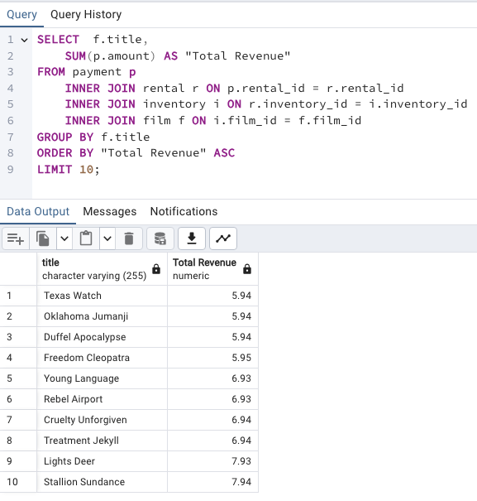
SELECT f.title,
SUM(p.amount) AS "Total Revenue"
FROM payment p
INNER JOIN rental r ON p.rental_id = r.rental_id
INNER JOIN inventory i ON r.inventory_id = i.inventory_id
INNER JOIN film f ON i.film_id = f.film_id
GROUP BY f.title
ORDER BY "Total Revenue" ASC
LIMIT 10;
title | Total Revenue
Texas Watch | 5.94
Oklahoma Jumanji | 5.94
Duffel Apocalypse | 5.94
Freedom Cleopatra | 5.95
Young Language | 6.93
Rebel Airport | 6.93
Cruelty Unforgiven | 6.94
Treatment Jekyll | 6.94
Lights Deer | 7.93
Stallion Sundance | 7.94

Avg Rental Duration
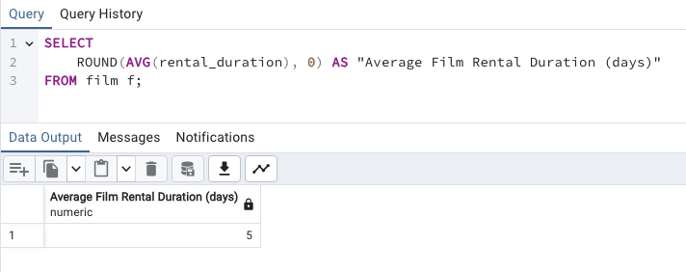
SELECT
ROUND(AVG(rental_duration), 0) AS "Average Film Rental Duration (days)"
FROM film f;
Average Film Rental Duration (days)
5

Customer Countries
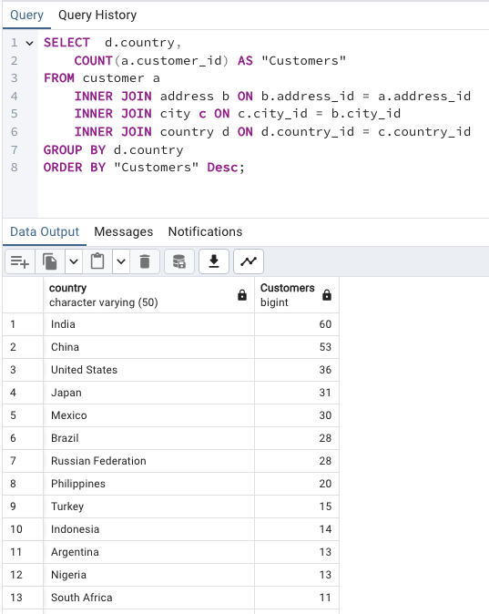
SELECT d.country,
COUNT(a.customer_id) AS "Customers"
FROM customer a
INNER JOIN address b ON b.address_id = a.address_id
INNER JOIN city c ON c.city_id = b.city_id
INNER JOIN country d ON d.country_id = c.country_id
GROUP BY d.country
ORDER BY "Customers" Desc;
country | Customers
India | 60
China | 53
United States | 36
Japan | 31
Mexico | 30
Brazil | 28
Russian Federation | 28
Philippines | 20
Turkey | 15
Indonesia | 14
Argentina | 13
Nigeria | 13
South Africa | 11
Taiwan | 10
United Kingdom | 9
Poland | 8
Iran | 8
Germany | 7
Italy | 7
Venezuela | 7
Egypt | 6
Colombia | 6
Ukraine | 6
Vietnam | 6
Spain | 5
Canada | 5
South Korea | 5
Pakistan | 5
Netherlands | 5
Saudi Arabia | 5
Israel | 4
France | 4
Yemen | 4
Peru | 4
Dominican Republic | 3
Bangladesh | 3
Thailand | 3
Algeria | 3
Chile | 3
Malaysia | 3
Mozambique | 3
Switzerland | 3
Ecuador | 3
Paraguay | 3
Austria | 3
United Arab Emirates | 3
Morocco | 3
Tanzania | 3
Myanmar | 2
Bulgaria | 2
Cameroon | 2
Cambodia | 2
Congo, The Democratic Republic of the | 2
Sudan | 2
Romania | 2
Latvia | 2
Yugoslavia | 2
Puerto Rico | 2
Kazakstan | 2
Greece | 2
Bolivia | 2
Kenya | 2
French Polynesia | 2
Angola | 2
Belarus | 2
Oman | 2
Azerbaijan | 2
Hungary | 1
American Samoa | 1
Armenia | 1
Sri Lanka | 1
French Guiana | 1
Sweden | 1
Faroe Islands | 1
Ethiopia | 1
Bahrain | 1
Czech Republic | 1
Lithuania | 1
Turkmenistan | 1
Tunisia | 1
Virgin Islands, U.S. | 1
Malawi | 1
Chad | 1
Afghanistan | 1
Greenland | 1
Moldova | 1
Gambia | 1
Holy See (Vatican City State) | 1
Estonia | 1
Slovakia | 1
North Korea | 1
Nauru | 1
Liechtenstein | 1
Senegal | 1
Zambia | 1
Hong Kong | 1
Kuwait | 1
Madagascar | 1
Runion | 1
Saint Vincent and the Grenadines | 1
Tuvalu | 1
Finland | 1
Iraq | 1
Anguilla | 1
Brunei | 1
Tonga | 1
Nepal | 1
New Zealand | 1

Most Val Customer Countries
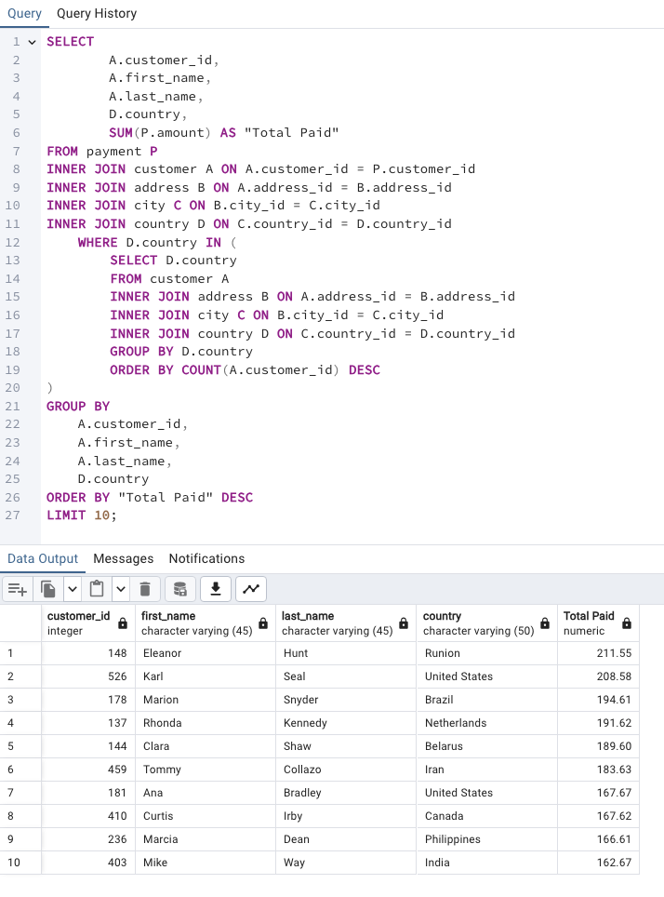
SELECT
A.customer_id,
A.first_name,
A.last_name,
D.country,
SUM(P.amount) AS "Total Paid"
FROM payment P
INNER JOIN customer A ON A.customer_id = P.customer_id
INNER JOIN address B ON A.address_id = B.address_id
INNER JOIN city C ON B.city_id = C.city_id
INNER JOIN country D ON C.country_id = D.country_id
WHERE D.country IN (
SELECT D.country
FROM customer A
INNER JOIN address B ON A.address_id = B.address_id
INNER JOIN city C ON B.city_id = C.city_id
INNER JOIN country D ON C.country_id = D.country_id
GROUP BY D.country
ORDER BY COUNT(A.customer_id) DESC
)
GROUP BY
A.customer_id,
A.first_name,
A.last_name,
D.country
ORDER BY "Total Paid" DESC
LIMIT 10;
customer_id | first_name | last_name | country | Total Paid
148 | Eleanor | Hunt | Runion | 211.55
526 | Karl | Seal | United States | 208.58
178 | Marion | Snyder | Brazil | 194.61
137 | Rhonda | Kennedy | Netherlands | 191.62
144 | Clara | Shaw | Belarus | 189.6
459 | Tommy | Collazo | Iran | 183.63
181 | Ana | Bradley | United States | 167.67
410 | Curtis | Irby | Canada | 167.62
236 | Marcia | Dean | Philippines | 166.61
403 | Mike | Way | India | 162.67

All Sales Geo Comparison
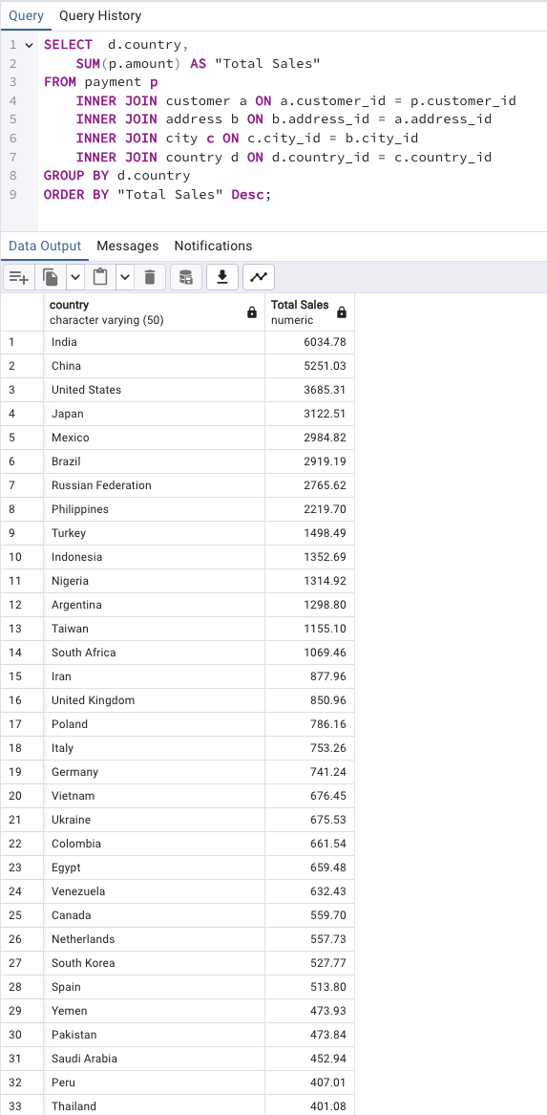
SELECT d.country,
SUM(p.amount) AS "Total Sales"
FROM payment p
INNER JOIN customer a ON a.customer_id = p.customer_id
INNER JOIN address b ON b.address_id = a.address_id
INNER JOIN city c ON c.city_id = b.city_id
INNER JOIN country d ON d.country_id = c.country_id
GROUP BY d.country
ORDER BY "Total Sales" Desc;
country | Total Sales
India | 6034.78
China | 5251.03
United States | 3685.31
Japan | 3122.51
Mexico | 2984.82
Brazil | 2919.19
Russian Federation | 2765.62
Philippines | 2219.7
Turkey | 1498.49
Indonesia | 1352.69
Nigeria | 1314.92
Argentina | 1298.8
Taiwan | 1155.1
South Africa | 1069.46
Iran | 877.96
United Kingdom | 850.96
Poland | 786.16
Italy | 753.26
Germany | 741.24
Vietnam | 676.45
Ukraine | 675.53
Colombia | 661.54
Egypt | 659.48
Venezuela | 632.43
Canada | 559.7
Netherlands | 557.73
South Korea | 527.77
Spain | 513.8
Yemen | 473.93
Pakistan | 473.84
Saudi Arabia | 452.94
Peru | 407.01
Thailand | 401.08
Israel | 379.13
Ecuador | 369.18
Bangladesh | 353.19
Algeria | 349.18
France | 334.12
Malaysia | 330.23
Tanzania | 322.22
Mozambique | 315.25
United Arab Emirates | 305.25
Dominican Republic | 304.26
Chile | 303.34
Austria | 284.3
Morocco | 274.35
Paraguay | 273.4
Belarus | 271.36
Latvia | 249.43
Switzerland | 248.41
Kenya | 245.49
Yugoslavia | 233.49
Puerto Rico | 224.48
Romania | 218.42
Runion | 211.55
French Polynesia | 205.52
Greece | 204.54
Sudan | 202.51
Azerbaijan | 198.53
Bulgaria | 194.52
Kazakstan | 192.51
Angola | 187.55
Cameroon | 186.49
Myanmar | 179.53
Cambodia | 179.51
Bolivia | 178.56
Congo, The Democratic Republic of the | 168.58
Oman | 161.56
Holy See (Vatican City State) | 146.68
Nauru | 143.7
Sweden | 139.67
Czech Republic | 132.72
Moldova | 127.66
Turkmenistan | 126.74
Chad | 122.72
Malawi | 121.73
Zambia | 121.7
Virgin Islands, U.S. | 121.69
Greenland | 119.72
Armenia | 118.75
Gambia | 114.73
Iraq | 111.73
Hungary | 111.71
Bahrain | 108.76
North Korea | 107.71
Brunei | 107.66
Kuwait | 106.75
Estonia | 105.72
Hong Kong | 104.76
Sri Lanka | 103.73
Liechtenstein | 99.74
Anguilla | 99.68
French Guiana | 97.8
Faroe Islands | 96.76
Senegal | 95.76
Nepal | 93.83
Tuvalu | 93.78
Madagascar | 92.79
Ethiopia | 91.77
New Zealand | 85.77
Slovakia | 80.77
Finland | 78.79
Tunisia | 73.78
Afghanistan | 67.82
Tonga | 64.84
Saint Vincent and the Grenadines | 64.82
Lithuania | 63.78
American Samoa | 47.85

